Introduction
CAPABILITY MATURITY ASSESSMENT TOOL
Introduction

Welcome to the capability maturity assessment tool of the Circular Economy for the Finnish Manufacturing Industry Programme! The purpose of this tool is to support you in assessing the maturity of your organisation in circular capabilities and prioritising capabilities between those to be developed internally and those to be outsourced for external partners. Please note that the tool should be used only for one circular business model, meaning that you should create a separate copy of the Excel file for each business model you want to assess.

Content overview

Sheet | Description

Introduction | Introduction of the tool purpose, content and key user instructions.

Capability assessment | Sheet for assessing organisational maturity in circular capabilities.

User instructions

1. Select circular business model in the drop-down.
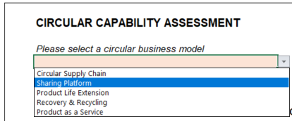

2. Assess current level of maturity, complexity to implement and strategic importance for relevant capabilities (highlighted with color).

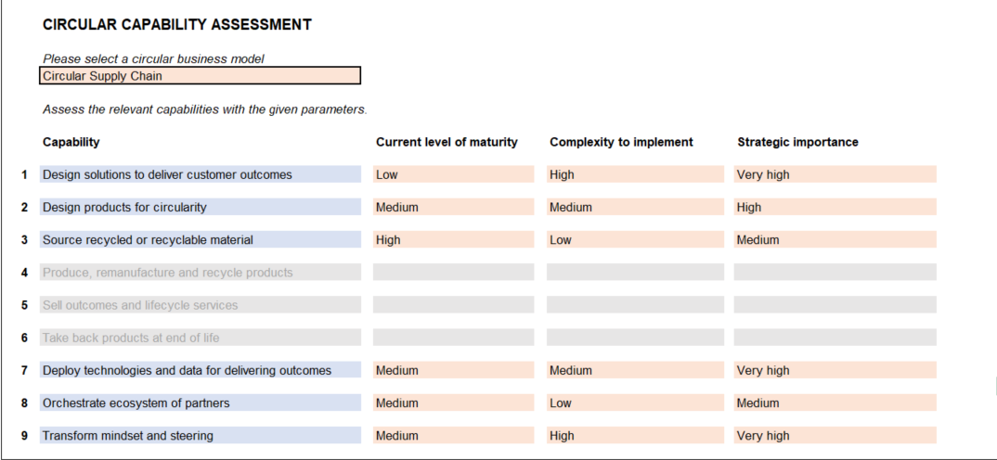

3. View prioritisation matrix.

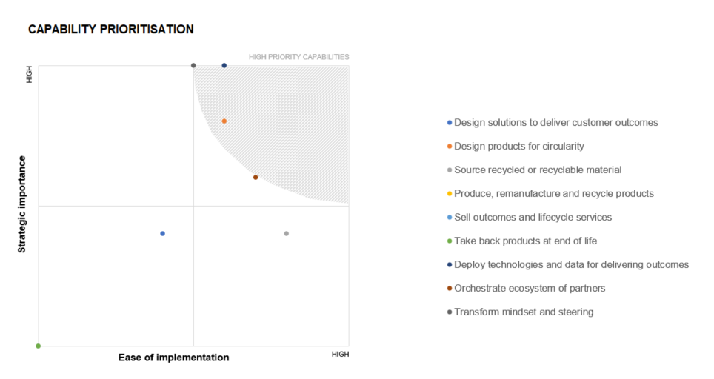

4. List activities needed to close internal capability gaps and define high-level organisational responsibilities for each activity.

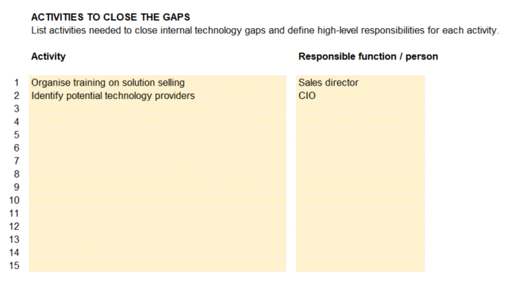

Supporting materials

Circular Economy Playbook - Chapter 3: Which capabilities are required?
Overview of 9 circular capabilities & detailed capability descriptions
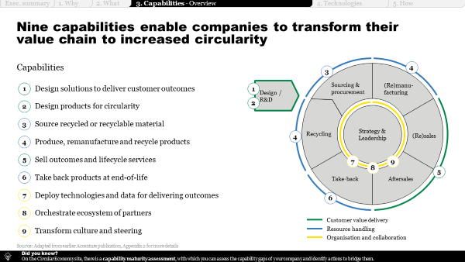
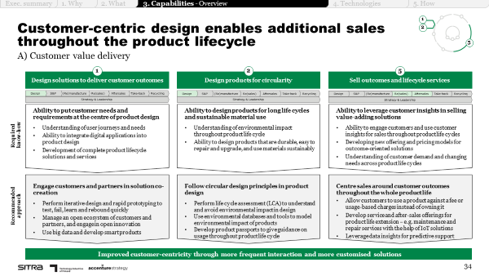

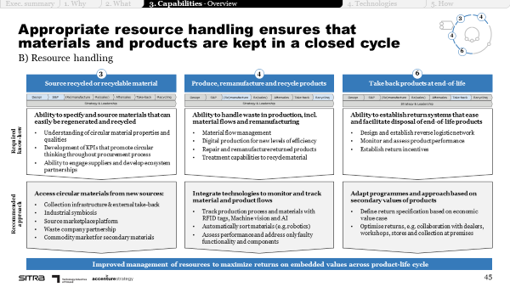
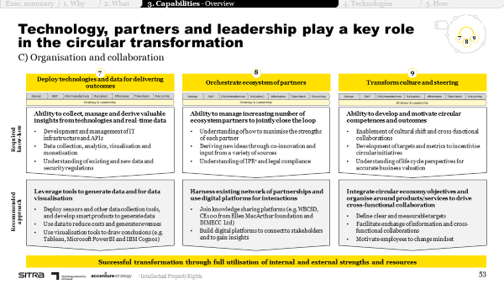

Illustrative playbook pages - please refer to entire chapter for support

Capability assessment
 | CIRCULAR CAPABILITY ASSESSMENT |  |  |  | LEGEND

 | Please select a circular business model |  |  |  |  | Input required
 |  |  |  |  |  | Not applicable

 | Assess the relevant capabilities with the given parameters.
 |  |  |  |  | INSTRUCTIONS
 | Capability | Current level of maturity | Complexity to implement | Strategic importance
 |  |  |  |  | 1. Select circular business model
1 | Design solutions to deliver customer outcomes
 |  |  |  |  | 2. Assess the relevant capabilities with the given parameters
2 | Design products for circularity |  |  |  | Note! Fill in the values only for the colored capabilities.

3 | Source recycled or recyclable material |  |  |  | 3. View capability prioritisation matrix.

4 | Produce, remanufacture and recycle products
 |  |  |  |  | DEFINITIONS
5 | Sell outcomes and lifecycle services
 |  |  |  |  | Ease of implementation =
6 | Take back products at end of life
 |  |  |  |  | Current level of maturity
7 | Deploy technologies and data for delivering outcomes |  |  |  | Level of existing resources and expertise

8 | Orchestrate ecosystem of partners |  |  |  | Complexity to implement
 |  |  |  |  | Level of required system, process and cultural changes, and investments
9 | Transform mindset and steering

 |  |  |  |  | Strategic importance =
 |  |  |  |  | Extent to which the technology supports long-term or overall aims and provides strategic differentiation potential

 | CAPABILITY PRIORITISATION
 | Design solutions to deliver customer outcomes | Design products for circularity | Source recycled or recyclable material | Produce, remanufacture and recycle products | Sell outcomes and lifecycle services | Take back products at end of life | Deploy technologies and data for delivering outcomes | Orchestrate ecosystem of partners | Transform mindset and steering
0 | 0 | 0 | 0 | 0 | 0 | 0 | 0 | 0 | 0

HIGH

HIGH

 | ACTIVITIES TO CLOSE THE GAPS
 | List activities needed to close internal capability gaps and define high-level responsibilities for each activity.

 | Activity | Responsible function / person

1
2
3
4
5
6
7
8
9
10
11
12
13
14
15

